Notes and Instructions
Hygienic Design Checklist - On-Farm Equipment and Buildings Used for Handling and Washing Produce

INSTRUCTIONS

Step 1 - Complete the Background Information. Use one sheet for each piece of equipment.

Step 2 - Evaluate the piece of equipment and its surroundings following the prompts.

These prompts are to help you think about which category of hygienic design to consider.
The rating ranges are provided to guide your assessement of the hygienic design.

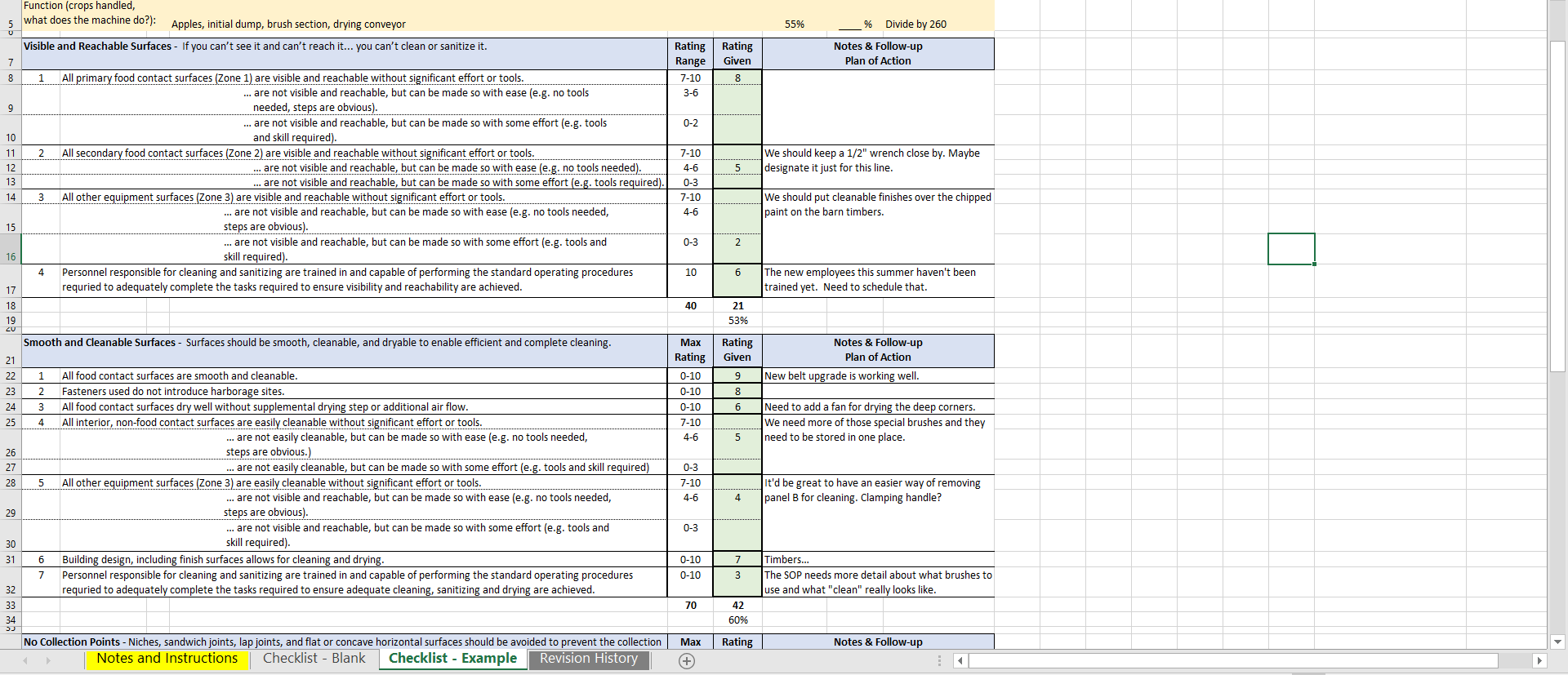

NOTE: The green boxes with bold outlines are where you enter your data. The bold groupings indicate that only one of multiple cells / rating brackets should be entered.

The "Notes and Follow-up Plan of Action" section is a place to make note of specific things you considered in determining your rating and/or specific action you plan to take to improve the hygienic design.

Step 3 - Review each section's total score and the overall score. Take stock of your notes and develop an overall action plan to implement improvements.

 | C. Callahan, v.1.1 5/30/19

