Credits
"This material is based upon work supported by USDA/NIFA under Award Number 2010-49200-06201."

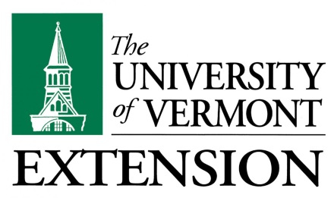

UVM Extension helps individuals and communities put research-based knowledge to work.

Issued in furtherance of Cooperative Extension work, Acts of May 8 and June 30, 1914, in cooperation with the United States Department of Agriculture. University of Vermont Extension, Burlington, Vermont.

University of Vermont Extension, and U.S. Department of Agriculture, cooperating, offer education and employment to everyone without regard to race, color, national origin, gender, religion, age, disability, political beliefs, sexual orientation, and marital or familial status.

